High version
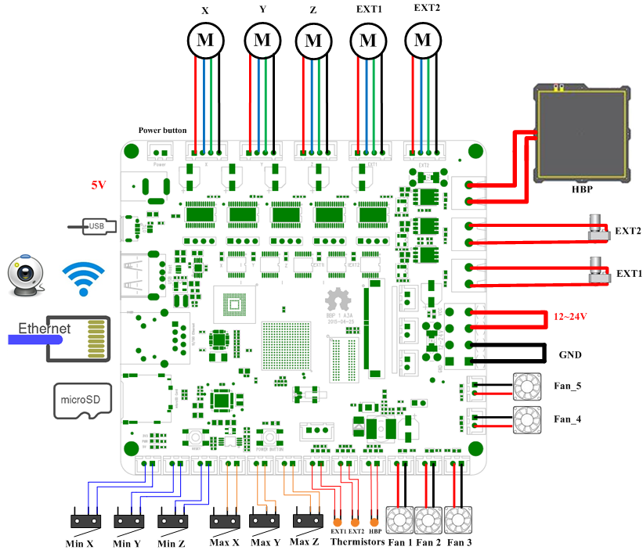

STT | Part name | Quantity | Price | Amount | Supplier | Remark
1 | BBP Board | 1 | 2,500,000 | 2,500,000 | Exchange MK2
2 | STEP MOTOR | 3 | 100,000 | 300,000 | Market
3 | HEAD BED | 1 | 500,000 | 500,000 | Tao bao
4 | EXTRUDER | 1 | 2,500,000 | 2,500,000 | Tao bao
5 | LIMIT SWITCH | 6 | 30,000 | 180,000 | Market
6 | FAN | 1 | 50,000 | 50,000 | Market
7 | LCD | 0 |  | 0 |  | Sub
8 | Wifi | 0 |  | 0 |  | Sub
TOTAL |  |  |  |  | 6,030,000
ESTIMATE |  |  |  |  | 3,530,000

